Scoring Logic
 | S.No. | Parameter | Early stage | Late stage | Sub-parameters | Case 1 | Case 2
 | 1 | Value proposition & Differentiation | 35% | 20% | Potential for IP | 75% | 75%
 |  |  |  |  | Comparision to current SoC | 25% | 25%
 | 2 | Technical Rigor | 25% | 25% | Patents & paper | 100% | 100%
 | 3 | Market Potential | 10% | 15% | Patient population | 50% | 50% | << should be considered across all applications
 |  |  |  |  | Competition | 50% | 50%
 | 4 | Team | 20% | 20% | R&D - Commericalization Exp | 25% | 25%
 |  |  |  |  | R&D - Patents | 25% | 25% | << should be considered across all applications
 |  |  |  |  | Leadership | 25% | 50%
 |  |  |  |  | Fund raising | 25% | 0%
 | 5 | Funding readiness | 10% | 20% | Co-funding availability | 100% | 100%

 | Value proposition & Differentiation

 |  | Potential for IP | 75%

 |  | Question # | Question | Selection | Question # | Question | Selection | Question # | Question | Selection | Question # | Question | Selection | Score
 |  | 2.1.2 | Research Project Priority Area | New chemical entity |  |  |  |  |  |  |  |  |  | 5
 |  |  |  | New biological entity |  |  |  |  |  |  |  |  |  | 5
 |  |  |  | Phytopharmaceutical |  |  |  |  |  |  |  |  |  | 3
 |  |  |  | Biosimilar |  |  |  | 2.1.4 | Research Project Modality | DNA & RNA therapeutics |  |  |  | 5
 |  |  |  |  |  |  |  |  |  | Cell and gene therapy |  |  |  | 5
 |  |  |  |  |  |  |  |  |  | Antibody drug conjugates |  |  |  | 5
 |  |  |  |  |  |  |  |  |  | Protein-based therapeutics |  |  |  | 3
 |  |  |  |  |  |  |  |  |  | Peptide therapeutics |  |  |  | 3
 |  |  |  |  |  |  |  |  |  | Plasma derived therapy |  |  |  | 3
 |  |  |  | Medical device | 2.1.6 | Is the medical device based on a predicate device? *# | No |  |  |  |  |  |  | 5
 |  |  |  |  |  |  | Yes | 2.1.7 | Risk classification of the medical device as per CDSCO | A |  |  |  | 1
 |  |  |  |  |  |  |  |  |  | B |  |  |  | 3
 |  |  |  |  |  |  |  |  |  | C |  |  |  | 5
 |  |  |  |  |  |  |  |  |  | D |  |  |  | 5
 |  |  |  | Complex generic |  |  |  | 2.1.5 | Are Phase 1 and/or Phase 2 clinical trials required (and not just BA/BE studies) for product development | Required | 2.1.3 | Research Project Sub-Priority Area | New indication | 3 |  | << This is a multiselect in the form - if two are selected give score of the higher option. E.g. 1. if New indiation (3) and New or modificed dosage form is selected (1) give 3.
 |  |  |  |  |  |  |  |  |  |  |  | << This is a multiselect in the form - if two or more are selected give score of the higher option. E.g. 1. if New indiation (3) and New or modificed dosage form is selected (1) give 3. | New or modified route of administration | 3
 |  |  |  |  |  |  |  |  |  |  |  |  | New or modified delivery system | 3
 |  |  |  |  |  |  |  |  |  |  |  |  | New or modified dosage | 1
 |  |  |  |  |  |  |  |  |  |  |  |  | New or modified dosage form | 1
 |  |  |  |  |  |  |  |  |  | Not Required |  |  |  | 0

 | 5 | Comparision to current SoC | 25% |  | Highest

 |  | Question # | Question | Selection | Score
 |  | 4.1.5 | Describe with justification on which dimensions the product/technology developed in this project is superior to the current standard of care | First in class | 5
 |  |  |  | More efficacious | 5
 |  |  | << This is a multiselect in the form - if two or more are selected give score of the higher option. E.g. 1. First in class (5) and easier route of administration (3) give 5 OR Higher speed / lower latency (3) and easier to use (1) give 3 | Easier route of administration | 3
 |  |  |  | More precise dosing regime | 3
 |  |  |  | Better tolerability and safety | 5
 |  |  |  | More cost effective | 3
 |  |  |  | Portable or miniaturized | 3
 |  |  |  | Higher speed / lower latency | 3
 |  |  |  | Lower power consumption | 1
 |  |  |  | Easier to use / better ergonomics | 1
 |  |  |  | Higher sensitivity and specificity | 5
 |  |  |  | Other | 1

 | Technical Rigor

 |  | Patent status & Peer Review | 100%

 |  | Question # | Question | Selection - Classification of the patent(s) *# | Selection - Classification of the patent(s) *# | Question # | Question | Selection | Question # | Question | Selection | Question # | Question | Selection | Score
 |  | 4.2.7(?) | Please list granted/applied patents that directly support this project (up to 5) #* | Product | 1. Granted |  |  |  |  |  |  |  |  |  | 5
 |  |  | Proceed if this question is answered There can be upto 5 patents with this information - rate all patents and take the highest score |  | 2. Applied (outside Pre-grant opposition ) |  |  |  |  |  |  |  |  |  | 5
 |  |  |  |  | 3. Applied (within or before pre-grant opposition window) |  |  |  |  |  |  |  |  |  | 3
 |  |  |  | Both | 1. Granted |  |  |  |  |  |  |  |  |  | 5
 |  |  |  |  | 2. Applied (outside Pre-grant opposition ) |  |  |  |  |  |  |  |  |  | 5
 |  |  |  |  | 3. Applied (within or before pre-grant opposition window) |  |  |  |  |  |  |  |  |  | 3
 |  |  |  | Process |  |  |  |  |  |  |  |  |  |  | 1
 |  |  | ELSE |  |  | 4.2.5 | Current status of the patent for the core Intellectual Property of the project*# | 4. Not applied | 4.5.1 | Select ‘Yes’ if the findings from this project have been published in any peer-reviewed journal | Yes | 4.5.2 | Provide details of up to 5 most cited articles/publication stating findings of this project | ANY Impact factor >10 | 3
 |  |  |  |  |  |  |  |  |  |  |  |  |  | Else | 1
 |  |  |  |  |  |  |  |  |  |  | No |  |  |  | 0
 |  |  |  |  |  |  |  | 5. Non-patentable |  |  |  |  |  |  | 0

 | Market Potential

 |  | Patient population

 |  | all target geo | 50%

 |  | Question # | Question | Selection - sum across all Geos | Score
 |  | 4.3.2 | State the estimated number of patients/ consumers that can benefit from the product/technology developed in this project across all target geographies | 0 | 0
 |  |  |  | Else | Score based on the # users / patient population using the method below

Sum across all geos |  | Number of patients / consumers in this geography that can benefit from the project outputs (lakh) *#

 |  | 1. Arrange the data in the Descending order of patient population
 |  | 2. Remove the value with 0
 |  | 3. Calculate the mean of the data set = average of the total population across all non zero
 |  | 4. Calculate the std, deviation of the data set
 |  | 5. Calculate Z score of the data
Give a Flag for these as outliers |  | 6. For all data points with Z score > 3 score 5 and remove them from the data set
 |  | 7. Recalculate the mean, std. deviation and Z score of the data without outliers on lower (0) or higher end
 |  | 8. Score as
 |  | Z < -3: 1
 |  | Z<-2 and >-3: 1.5
 |  | Z<-1 and >-2: 2
 |  | Z>-1 and Z<1 : 3
 |  | Z> 1 and <2 : 4
 |  | Z>2 : 5

 |  | Competition | 50%

 |  | Question # | Question | Selection | Score
 |  | 4.4.1 | State the number of already commercialized product(s) / technologies present in each of the targeted geographies that will compete with the product/technology developed in this project | 0 | 5
 |  |  |  | <=2 | 3
 |  |  |  | >2 | 1

 | Team

 |  | Every project can submit upto 3 leads - calculate the score of each lead on R&D, Leadership and Fundaising - Add the highest score across leads for each subsections

 |  | Example
 |  |  | L1 | L2 | L3 | Overall project
 |  | R&D | 5 | 1 | 0 | 5
 |  | Leadership | 3 | 5 | 0 | 5
 |  | Fundraising | 0 | 0 | 3 | 3

 |  | There are two cases in the scoring of this parameter - in Case 1 fundraising is included, in case 2 fundraising is not included

 |  | Condition | Early Stage AND 5.1.5 < 1Cr. OR (6.2+6.4)>80% of 6.1 | If Case 1 is not applicable
 |  |  | case1 | Case 2
 |  | R&D | 50% | 50%
 |  | Leadership | 50% | 25%
 |  | Funding | 0% | 25%

 |  | R&D

 |  |  | 25%

 |  | Question # | Question | Selection | Question # | Question | Selection | Score
 |  | 3.1.1.10 | Select ‘Yes’ if the lead has experience working on early discovery stages of a product / technology in Pharma/MedTech that got commercialized? *# | No |  |  |  | 0
 |  |  | OR Select ‘Yes’ if the lead has experience working on late discovery stages of a product / technology in Pharma/MedTech that got commercialized? *# | Yes | 3.1.11 | Provide details of the commercialized products / technologies where the lead has experience of designing, managing or running clinical trial*# | Count (Product / Technology Name*) > 1 | 5
 |  |  | OR Select ‘Yes’ if the lead has experience of designing, managing or running clinical trials for commercialized Pharma/MedTech products? *# |  |  |  | Count (Product / Technology Name*) =1 | 3

 |  | Same logic of relative scoring | 25%

 |  | Patents

 |  | 3.1.1.12 | List the number of patents granted to the lead as an inventor which are relevant to the project domain

 |  | 1. Arrange the data in the Descending order of number of patents
 |  | 2. Remove the value with 0
 |  | 3. Calculate the mean of the data set = average of the total population across all non zero
 |  | 4. Calculate the std, deviation of the data set
 |  | 5. Calculate Z score of the data
Give a Flag for these as outliers |  | 6. For all data points with Z score > 3 score 5 and remove them from the data set
 |  | 7. Recalculate the mean, std. deviation and Z score of the data without outliers on lower (0) or higher end
 |  | 8. Score as
 |  | Z < -3: 1
 |  | Z<-2 and >-3: 1.5
 |  | Z<-1 and >-2: 2
 |  | Z>-1 and Z<1 : 3
 |  | Z> 1 and <2 : 4
 |  | Z>2 : 5

 |  | Leadership | 25%

 |  | Question # | Question | Selection | Question # | Question | Selection | Scroe
 |  | 3.1.1.8 | Has the lead held (in past) or is currently holding a leadership position in any Pharma/MedTech entity? * | No |  |  |  | 0
 |  |  |  | Yes | 3.1.1.9 | Details of up to 5 leadership position held by the lead*# | CEO | 5
 |  |  |  |  |  |  | CEO-1 | 3
 |  |  |  |  |  |  | CEO-2, CEO-3 | 1

 |  | Fund raising | 25%

 |  | Question # | Question | Selection | Question # | Question | Selection | Score
 |  | 3.1.1.18 | Select ‘Yes’ ONLY if the capital was raised from an organization or institution or SEBI registered individual investors as opposed to friends & family | No |  |  |  | 0
 |  |  |  | Yes | 3.1.1.19 | Details of capital raised by the lead for the purpose of R&D related to any Pharma or MedTech product / technology | Venture capitalist / Private equity / Strategic Investors (Pharma Medtech companies) | 5
 |  |  |  |  |  |  | Angel Investors / High net worth SEBI registered investors / Family offices | 3
 |  |  |  |  |  |  | Government Capital | 3
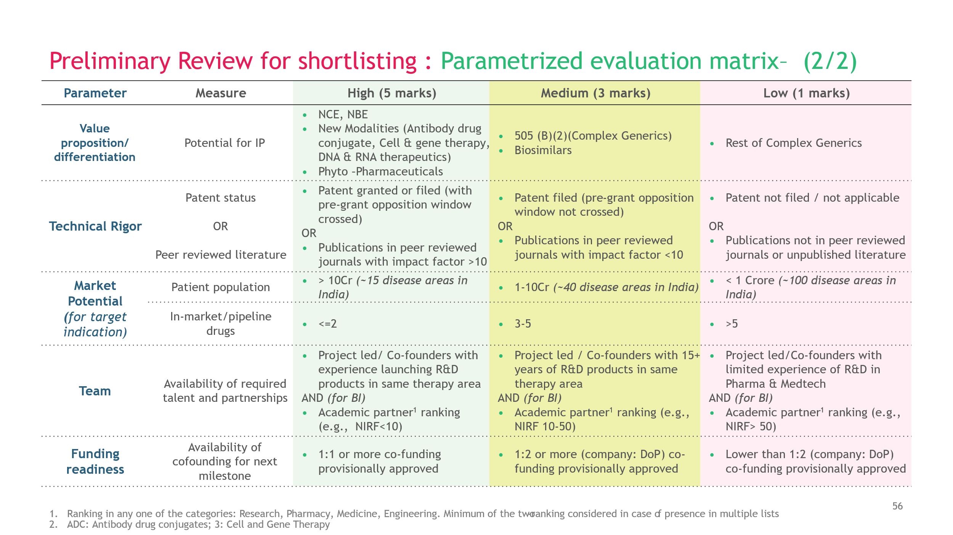
 |  |  |  |  |  |  | Development Finance Institutions / Multilateral and Bilateral Donors / Philanthropic Capital | 3
 |  |  |  |  |  |  | Other | 1

 | Funding readiness

 |  | Co-funding available |  | 100%

 |  | Question # | Question | Selection | Question # | Question | Selection | Score
 |  | 6.1 | Cofounding Required for this project is XX Cr | 0 |  |  |  | 5
 |  |  |  | >0 | 6.2 | Amount of co-funding required already available as “cash-in-bank” (INR) *# | if (6.2+6.4)>=80% of 6.1 | 5
 |  |  |  |  | 6.4 | Amount of co-funding required that has not yet been received but the sources have been identified and there is high degree of confidence in realisation | if (6.2+6.4)<80% of 6.1 AND >=co-funding required for milestone 1 | 3
 |  |  |  |  |  |  | if(6.2+6.4) < cofunding required for milestone 1 | 1
 |  |  |  |  |  |  | if (6.2+6.4) = 0 | 0

 |  | Calculation for co-funding required for milesone 1

 |  | Question # | Question | Variable Name
 |  | 5.1.4 | The Applicant projected total project cost under PRIP scheme* (INR Cr.) | A
 |  | 5.1.5 | Funding Requested under PRIP* (INR Cr.) | B
 |  | 5.2.2 | Funding Ask – for activities listed in given milestone X M1 | C

 |  | Co-funding required for M1 | =C*(B/A)

 | Data Sharing

 |  | Question # | Question | Selection | Score
 |  | 5.3.1 | Is the project open to making voluntary commitment to share pre-clinical, clinical research data or data captured by a medical device generated under the project as a public good to enable further R&D and AI-enablement?* | Yes | 5
 |  |  |  | No | 0

 | Budget Flag logic

 | Flag 1 |  |  | Flag 2

 | Milestone |  |  | Opex Capex

 |  |  |  | Funding requested under the PRIP Scheme (INR Cr)* | A
 | M1 | <=30% of (M1+M2+M3+M4) |  | Component of non-recurring expenses out of applicant projected total project cost under the PRIP Scheme (INR Cr) * | B
 | M2 | 20-40% of (M1+M2+M3+M4)
 | M3 | 20-40% of (M1+M2+M3+M4) |  | B/A | <=40%
 | M4 | >=15% of (M1+M2+M3+M4)

 | If All M1 to M4 are in the correct range |  |  | if B / A is <=40% | Yes
 | YES |  |  | Else | No
 | Else
 | NO

